DNA-delimited taxa
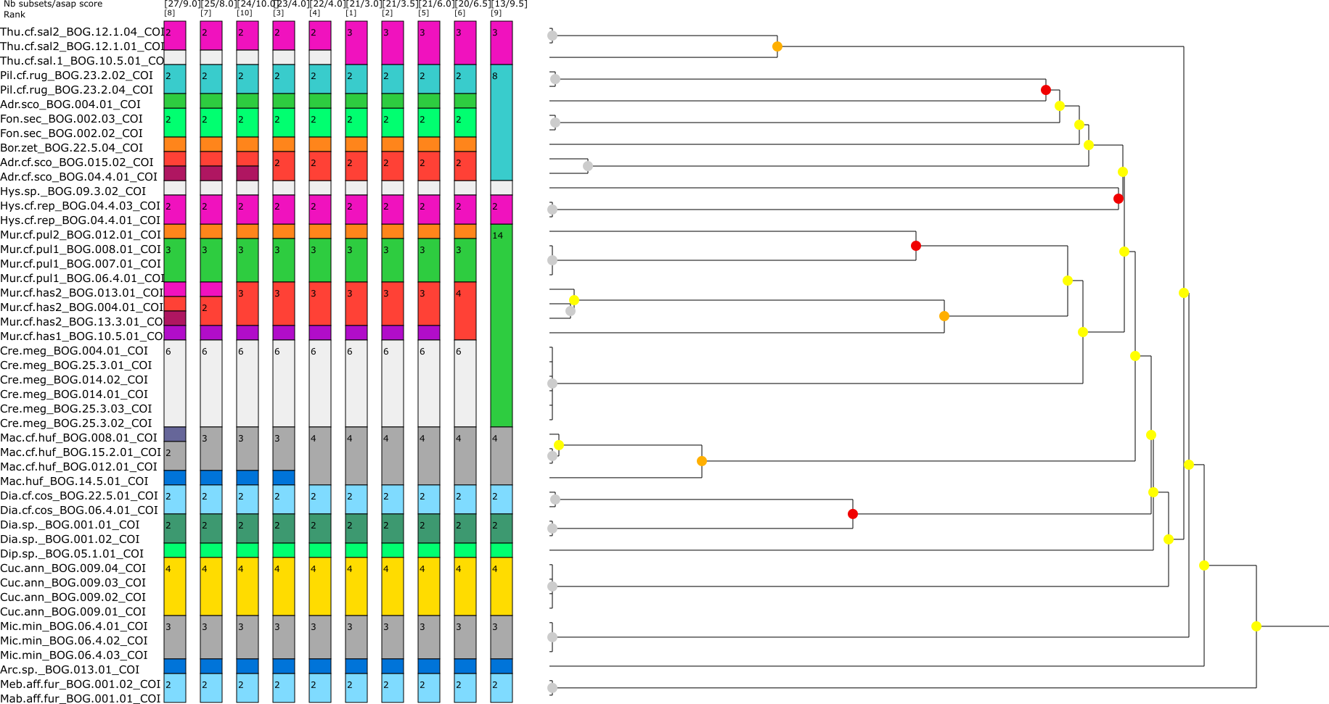
N | taxonomic ID | voucher number | notes
1 | Adropion cf. scoticum | BOG.04.4.01; BOG.015.02 | slides + DNA
2 | Adropion scoticum | BOG.004.01 | slides + DNA
3 | Arctodiphascon sp. | BOG.013.01 | only photovoucher (no spec. in slides)
4 | Borealibius zetlandicus | BOG.22.05.4 | slides + DNA
5 | Crenubiotus meg sp. nov. | BOG.14.01; BOG.14.02; BOG.25.3.01; BOG.25.3.02; BOG.25.3.03; BOG.004.01 | slides + DNA
6 | Cucumibius annulatus | BOG.009.01; BOG.009.02; BOG.009.03; BOG.009.04 | slides + DNA
7 | Dianea sp. | BOG.001.01; BOG.001.02 | only photovoucher (no spec. in slides)
8 | Dianea cf. costata | BOG.06.4.01; BOG.22.5.01 | slides + DNA
9 | Fontourion secchi | BOG. 002.02; BOG. 002.03 | slides + DNA
10 | Diphascon sp. | BOG.05.1.01 | only photovoucher (no spec. in slides)
11 | Hypsibius cf. repentinus | BOG.04.4.01; BOG.04.4.02; BOG.04.4.03 | slides + DNA
12 | Hypsibius sp. | BOG.09.3.02 | slides + DNA
13 | Macrobiotus hufelandi | BOG.14.5.01 | slides + DNA
14 | Macrobiotus cf. hufelandi | BOG.008.01; BOG.012.01; BOG.15.02.01 | slides + DNA
15 | Mesobiotus aff. furciger | BOG.001.1; BOG.001.2 | slides + DNA
16 | Microhypsibius minimus | BOG.06.04.01; BOG.06.04.02; BOG.06.04.03 | slides + DNA
17 | Murrayon cf. hastatus sp. 1 | BOG.10.5.01 | slides + DNA
18 | Murrayon cf. hastatus sp. 2 | BOG.004.01; BOG.013.01; BOG.13.3.01 | slides + DNA
19 | Murrayon cf. pullari sp. 1 | BOG.06.4.01; BOG.007.01; BOG.008.1 | slides + DNA
20 | Murrayon cf. pullari sp. 2 | BOG.012.01 | slides + DNA
21 | Pilatobius cf. rugosus | BOG.23.2.01; BOG.23.2.02; BOG.23.2.04 | slides + DNA
22 | Thulinius cf. saltursus sp. 1 | BOG.10.5.01 | slides + DNA
23 | Thulinius cf. saltursus sp. 2 | BOG.12.1.01; BOG.12.1.04 | slides + DNA

Fontourion_spp_gen_com
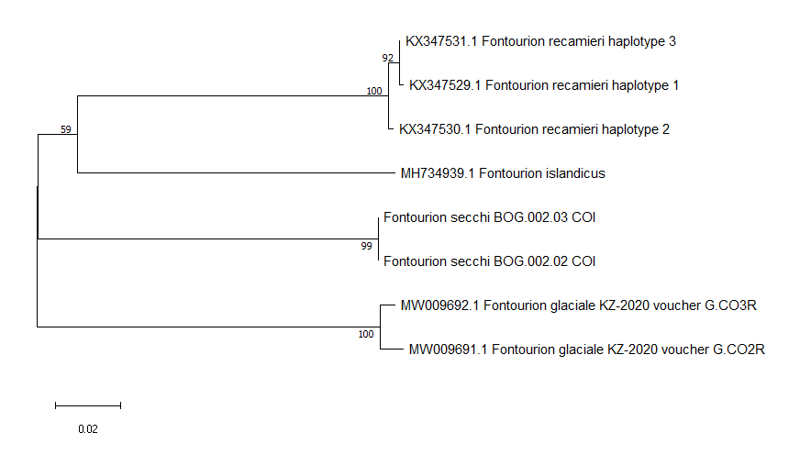
 |  | 1 | 2 | 3 | 4 | 5 | 6 | 7 | 8
1 | Fontourion_secchi_BOG.002.03_COI
2 | Fontourion_secchi_BOG.002.02_COI | 0.2%
3 | MW009692.1_Fontourion_glaciale_KZ-2020_voucher_G.CO3R | 18.4% | 18.4%
4 | MW009691.1_Fontourion_glaciale_KZ-2020_voucher_G.CO2R | 18.5% | 18.4% | 1.3%
5 | MH734939.1_Fontourion_islandicus | 17.3% | 17.3% | 20.1% | 19.7%
6 | KX347530.1_Fontourion_recamieri_haplotype_2 | 17.9% | 17.9% | 17.4% | 17.9% | 17.0%
7 | KX347531.1_Fontourion_recamieri_haplotype_3 | 18.0% | 18.0% | 17.9% | 18.3% | 17.2% | 0.6%
8 | KX347529.1_Fontourion_recamieri_haplotype_1 | 18.3% | 18.3% | 17.9% | 18.2% | 17.2% | 0.9% | 0.3%

